Cost Allocation
(ALL COST IS ANNUAL COST)

 | Profit （%） |  |  |  |  |  |  |  |  |  |  |  | Profit （%） | Profit （%） |  | Profit （%） | Profit （%）
 | 10% |  |  |  |  |  |  |  |  |  |  |  | 10% | 10% |  | 10% | 10%
 |  |  |  | 求和项:FTE | 列标签 |  |  |  |  |  |  |  | MHE | Packing | Charge FTE+MHE | Charge Indirect Labor | Other inv. | Total Charge | Annual Volume | Unit rate
行标签 | FTE cost (Y1) | %WorkLoad | % (adjust) | 行标签 | CB | CB - DG | Manual | OP-move | OP-raise/down | Rider on | R-Truck | Trolley | (Y1) |  | (Y1) | (Y1) | (Y1) | (Y1) | (Y1) | (Y1)
Chinese labelling | 206,448 | 7% | 7% | Chinese labelling | 2% | 0% | 12% | 0% | 0% | 0% | 0% | 0% | 4,265 |  | 316,722 | 106,212 | 72,364 | 495,298 | 1,976,652 | 0.25
Count | 135,525 | 4% |  | Count | 0% | 1% | 6% | 0% | 11% | 2% | 0% | 0% | 14,961 |  | - | - | - | -
Customs inspection | 9,491 | 0% | 0.2% | Customs inspection | 0% | 0% | 0% | 0% | 0% | 0% | 0% | 0% | - |  | 10,287 | 3,450 | 2,350 | 16,088 | 1,800 | 8.9
Engraved steal seal | 255 | 0% | 0.0% | Engraved steal seal | 0% | 0% | 0% | 0% | 0% | 0% | 0% | 0% | 0 |  | 346 | 116 | 79 | 540 | 12 | 45.0
Inbound DG processing |  | 0% | 0% | Inbound DG processing | 0% | 0% | 0% | 0% | 0% | 0% | 0% | 0% | - |  | - | - | - | - | 13,195 | -
Inbound processing | 777,533 | 22% | 23% | Inbound processing | 51% | 63% | 6% | 0% | 32% | 0% | 100% | 21% | 443,532 |  | 1,079,064 | 361,861 | 246,544 | 1,687,469 | 206,714 | 8.2
Key cutting handling | 61,207 | 2% | 2% | Key cutting handling | 0% | 0% | 3% | 0% | 0% | 0% | 0% | 1% | 31 |  | 82,926 | 27,809 | 18,947 | 129,683 | 2,880 | 45.0
Outbound processing | 1,939,873 | 61% | 63% | Outbound processing | 47% | 36% | 64% | 100% | 57% | 98% | 0% | 78% | 366,366 | 50,509 | 2,925,738 | 981,137 | 668,470 | 4,575,344 | 699,922 | 6.5
Warranty & Return | 179,626 | 4% | 4% | Warranty & Return | 0% | 0% | 8% | 0% | 0% | 0% | 0% | 0% | - | 3,361 | 194,695 | 65,290 | 44,484 | 304,469 | 12,943 | 23.5
Warranty & Return DG | 9,828 | 0% | 0% | Warranty & Return DG | 0% | 0% | 1% | 0% | 0% | 0% | 0% | 0% | - |  | 13,315 | 4,465 | 3,042 | 20,822 | 777 | 26.8
Outbound DG processing |  | 0% | 0.0% | Outbound DG processing | 0% | 0% | 0% | 0% | 0% | 0% | 0% | 0% | - |  | - | - | - | - | - | -
总计 | 3,319,786 | 100% | 100% | 总计 | 100% | 100% | 100% | 100% | 100% | 100% | 100% | 100% | 829,156 | 53,870 | 4,623,094 | 1,550,340 | 1,056,280 | 7,229,713 | / | /

process 关联数据修改以后需要刷新一下，并对照列表顺序是否一致

 |  |  |  | MHE: Y1 cost | 206400 | 120000 |  | 41520 | 100800 | 126000 | 230400 | 4035.9036392

 | Chinese labelling
 | Count
 | Customs inspection
 | Engraved steal seal
 | Inbound DG processing
 | Inbound processing
 | Key cutting handling
 | Outbound processing
 | Warranty & Return
 | Warranty & Return DG
 | Outbound DG processing

Layout
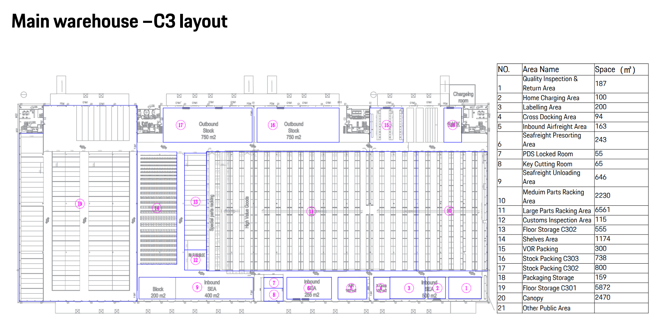

240m
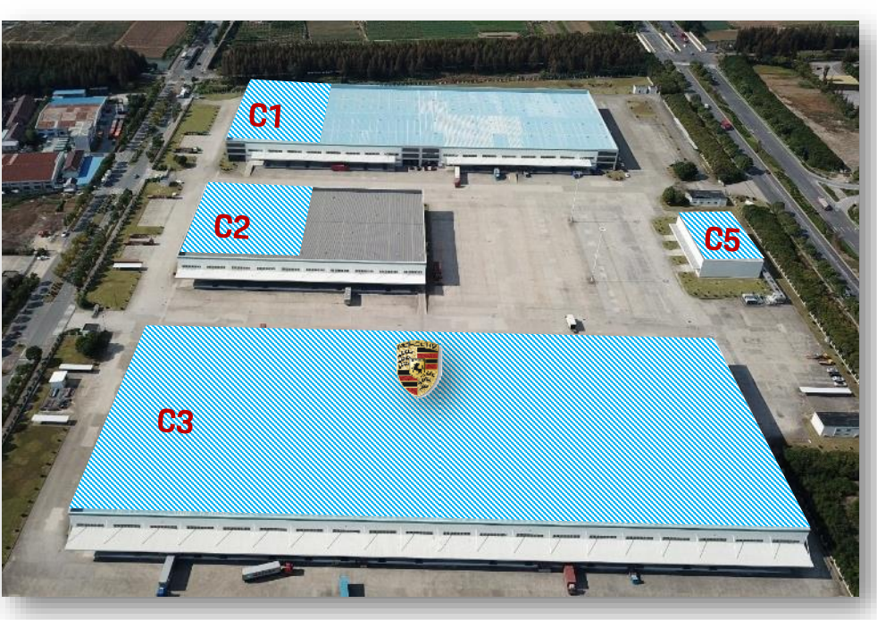

 | 187 | Y
 | 100
 | 200
 | 94 | Y
100m
 | 163 | Y
 | 243 | Y
 | 55
 | 65
 | 646
 | 2230
 | 6561
 | 115
 | 55
 | 1174
 | 300
 | 738
 | 800
 | 159
 | 5872
 | 2470
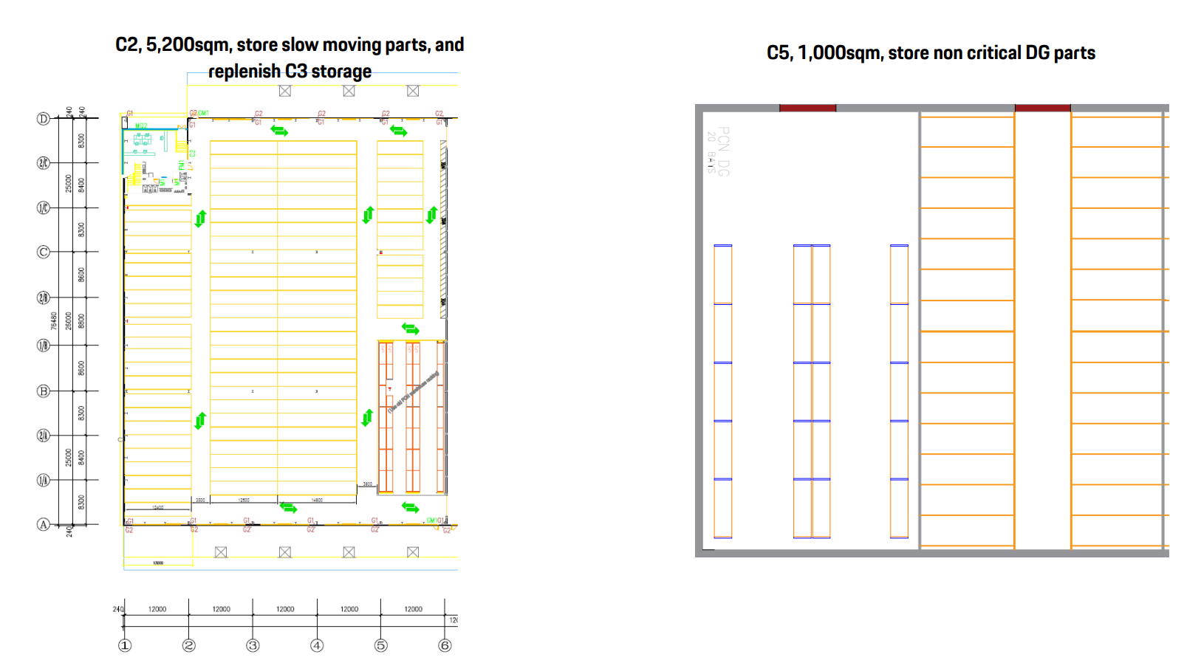
C3 total | 22,227 | sqm

